Sheet1
SDP stuff as of 7/5/2016: |  |  | The Spatial Data Provider(SDP) is the interface used to query for explicit spatial data by interpreting the modeling language
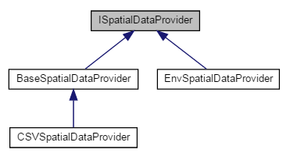

Class | Parent Library | Notes
ISpatialDataProvider | OMERuntime | Virtual class / Interface for SDP implementations.
BaseSpatialDataProvider | OMERuntime | Base class that can be optionally used to provide some error checking for mismatches between declared and implemented features. Not needed in the Envision implementation.
EnvSpatialDataProvider | OMEAdaptor | SDP for use with Envision.
CSVSpatialDataProvider | CSVSpatialDataProvider | SDP for use with CSV files.

